Job Details

Job Number & Name: | 35165 LB Bexley
Site Number/Name: | Site 2 - Brook Street
Client: | Waterman
Date: | 2023-03-30

Site Plan
Advanced Transport Research |  |  | Job Number & Name: | 35165 LB Bexley
Site 2 - Brook Street |  |  | Date: | 2023-03-30

Job Type: | Pedestrian & Vehicle Count
Co-ordinates: | 51°28'46.01"N, 0° 9'15.12"E | Postcode: | DA8 1DY |  | Times: | 0700-1900

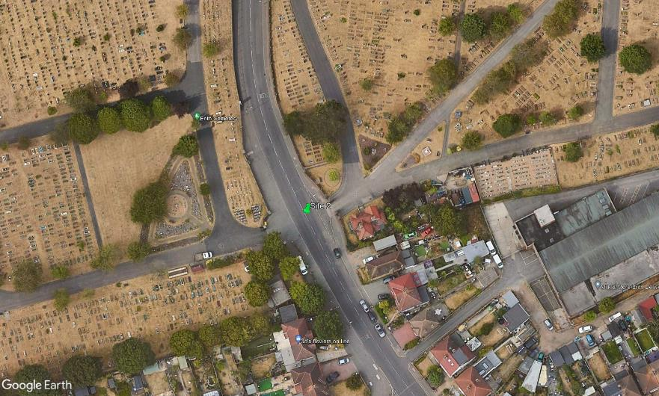
N
Brook Street

3

B

A

D
C

1
2

